Sheet1
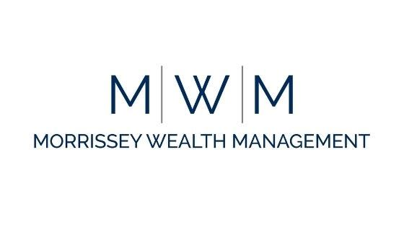

 | Morrissey Wealth Management
Ryan R Morrissey, CFP®, CLU®, ChFC® , CMFC® | Networth Statement for :
116 Washington Ave, 3rd Floor | Enter Name Here
North Haven, CT 06473
www.morrisseywealthmanagement.com
860.986.7881
Assets | Value | Comments
Liquid Assets
Cash
Checking & Savings
Money Markets
CD's
Other
Investments
Mutual Funds
Stocks
Bonds
Annuities
U.S. Savings Bonds
Other
Retirement Accounts
401K
401K
457 Plan
403B
IRA
IRA
Roth IRA
Roth IRA
Other
Real Estate
Personal Residence
Rental Property
Vacation Home
Farm
Life Insurance
Life Insurance Cash Value
Other
Personal Property
House Hold Items
Cars
Boats
Valuables
Buiness/Practice Value
Company
Partnership
Miscellenous
Total Assets | 0
Liabilities
Consumer Debt |  | Comments
Credit Cards
Car Loans
Personal Loans, Credit Lines
Other
Long Term Debts
Real Estate Mortgages
Real Estate Line of Credit
Student Loans
Other
Miscellenous
Loans from Life Insurance Policies
Current Income Taxes
Other
Total Liabilities | 0
Networth | 0

